Introduction
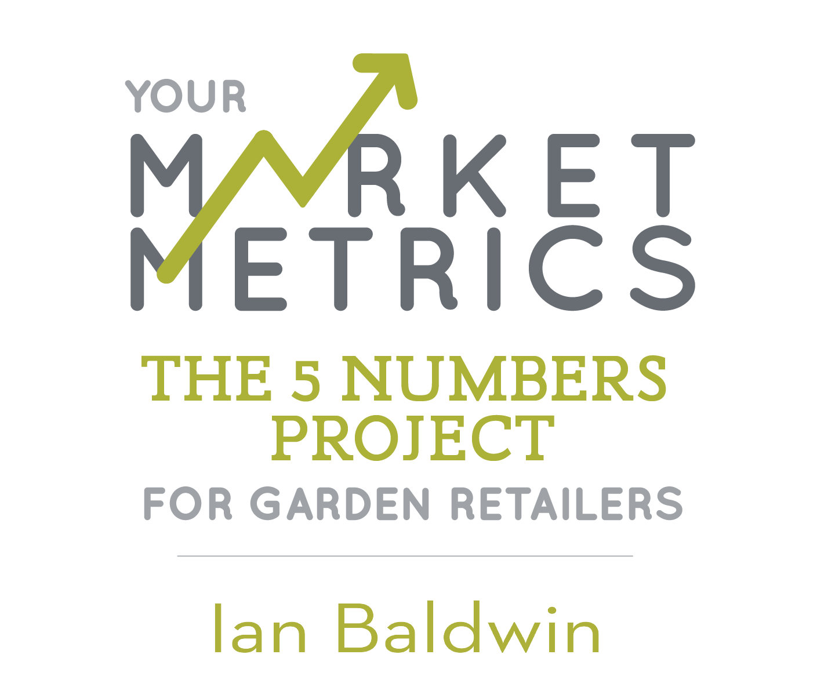
Welcome to The 5 Numbers Project! The project collects monthly information from more than 50 retail businesses across North America, representing nearly $400 million in retail receipts. We are dedicated to helping retailers improve their profitability and productivity and we're excited to welcome you to the Project! First … we need to collect some basic information about your business:

Are you a pure retailer, or do you grow some of the product you sell?
Choose one:

How many physical retail locations do your consolidated numbers represent? (Note: seasonal remote sites are counted as a location). **NOTE: IF YOU WISH to register as a multiple location company, tracking your sites separately with individual dashboards, that service is available. Contact us directly to set you up!**
Choose one:

What State(s) or Province is your primary business located in?
US: | AL
(If Multiple - list additions here:)
CANADA:

How do you collect/report your Gross Margin Dollars (**see glossary tab for clarification on this question)
Choose one:

Finally, we need to know your company's gross sales for 2023:
ENTER a raw number here:

THEN, save a copy of this template to your own computer so you can enter data at a convenient time.
Please proceed to the data entry tabs for each year and enter your 5#s data for each MONTH. (note if you can't go back to 2018, not to worry. The more years you can provide - the more robust your dashboards and insights will be.
As a reminder, your RAW DATA entered on these spreadsheets is private
(visible ONLY to members of your firm, not other subscribers).

This raw data will be used to calculate our comparison metrics (in ratios and percentages)
Those comparison metrics will then be viewable (and filterable) on the comparison dashboards.

ONCE YOU HAVE COMPLETED THIS SPREADSHEET:
 | 1. If you prefer to send it as a password protected spreadsheet, lock it with the password RETAIL (all caps.)
 | 2. Email a copy of it to our administrator, Kelly Beachy: admin@yourmarketmetrics.com
 | 3. Within three days, you will receive a message from her confirming receipt (once she has opened the file and confirmed she can see your numbers)
 | 4. You will then be assigned a FIRM ID # which will be the only identifying factor for your data moving forward.

As a reminder, your company NAME will never be tied to your data within our hosting system.
You have the right to change your firm ID # at any time (simply contact admin@yourmarketmetrics.com)

Thank you for your subcription to this critical industry benchmarking and performance measurement tool!

 | Ian Baldwin, Garden Retail - The 5 Numbers Project

 | More QUESTIONS about getting the "apples to apples" on the 5 numbers?
 | 1. Check the glossary tab
 | 2. Watch this video primer: https://vimeo.com/310366632/cc25336c86
 | 3. Reach out to me directly: ianstuart.b@gmail.com

